Analysis
Average of amount | Row Labels | Count of Column1 | State | Count | Row Labels | Count of Column1 | Row Labels | Count of Column1 | State | Count
₦5.0M | Acura | 56 | Acura | 56 | Automatic | 2702 | Akwa Ibom | 50 | Akwa Ibom | 50
 | Ford | 135 | Ford | 135 | Manual | 171 | Anambra | 22 | Anambra | 22
Average of horse_power | Honda | 310 | Honda | 310 | Grand Total | 2873 | Delta | 28 | Delta | 28
217 | Hyundai | 97 | Hyundai | 97 |  |  | Edo | 59 | Edo | 59
 | Kia | 57 | Kia | 57 |  |  | Federal Capital Territory | 654 | Federal Capital Territory | 654
Average of mileage | Lexus | 289 | Lexus | 289 |  |  | Imo | 30 | Imo | 30
28.4K | Mercedes-Benz | 261 | Mercedes-Benz | 261 |  |  | Kaduna | 57 | Kaduna | 57
 | Nissan | 111 | Nissan | 111 |  |  | Kwara | 72 | Kwara | 72
Average of engine_size | Toyota | 1126 | Toyota | 1126 |  |  | Lagos | 1452 | Lagos | 1452
3.1K | Volkswagen | 56 | Volkswagen | 56 |  |  | Ogun | 61 | Ogun | 61
 | Grand Total | 2498 |  |  |  |  | Ondo | 55 | Ondo | 55
 |  |  |  |  |  |  | Oyo | 270 | Oyo | 270
 |  |  |  |  |  |  | Rivers | 84 | Rivers | 84
 |  |  |  |  |  |  | (blank)
 |  |  |  |  |  |  | Grand Total | 2894

 |  |  |  |  |  |  | Row Labels | Count of Column1 | Color | Count
 |  |  |  |  |  |  | Beige | 18 | Beige | 18
 |  |  |  |  |  |  | Black | 741 | Black | 741
 |  |  |  |  |  |  | Blue | 323 | Blue | 323
 |  |  |  |  |  |  | Brown | 46 | Brown | 46
 |  |  |  |  |  |  | Gold | 149 | Gold | 149
 |  |  |  |  |  |  | Gray | 498 | Gray | 498
 |  |  |  |  |  |  | Green | 100 | Green | 100
 |  |  |  |  |  |  | Red | 205 | Red | 205
 |  |  |  |  |  |  | Silver | 484 | Silver | 484
 |  |  |  |  |  |  | White | 279 | White | 279
 |  |  |  |  |  |  | Grand Total | 2843

Dashboard
Nigerian Car Market

Average Vehicle Metrix : Nigerian Car Market
Price
Milege
HorsePower
Engine
₦5.0M
217
28.4K
3.1K
Km
HP
CC
Location : Nigeria , Africa

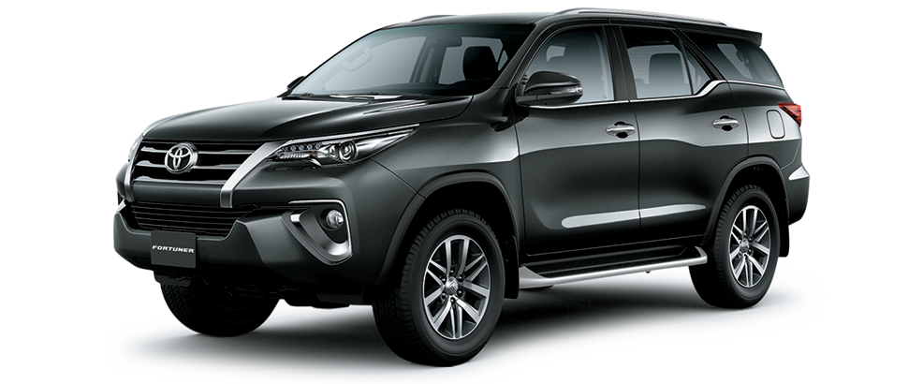

Top 10 Car Models In Nigeria

 | Count
Acura | 56
Ford | 135
Honda | 310
Hyundai | 97
Kia | 57
Lexus | 289
Mercedes-Benz | 261
Nissan | 111
Toyota | 1126
Volkswagen | 56

Customers Choice : Manual Or Automatic
Most Popular Car Colours in Nigeria
 | Total
Automatic | 2702
Manual | 171
 | Count
Beige | 18
Black | 741
Blue | 323
Brown | 46
Gold | 149
Gray | 498
Green | 100
Red | 205
Silver | 484
White | 279

Information Is Sourced from Cars-45.com

